Assigment
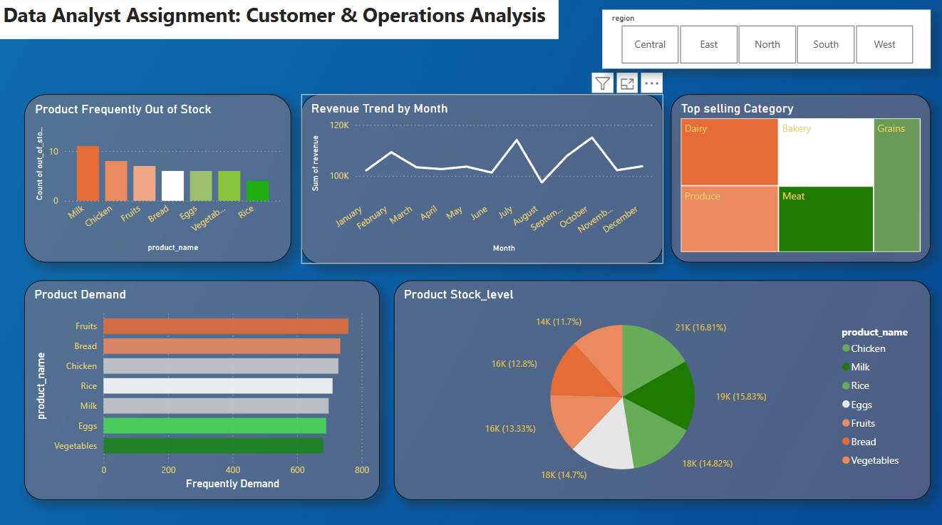
Excel Assignment

1. Calculate monthly revenue growth, average order value, and customer retention rate.

 | (a) Monthly Revenue Growth

Monthly Revenue Growth
 | Month | Total_Revanue_Per_Month | Revanue_Growth
 | January | 102152.91 | 0.000%
 | February | 109304.17 | 7.001%
 | March | 103387.82 | -5.413%
 | April | 102659.68 | -0.704%
 | May | 103633.13 | 0.948%
 | June | 101293.64 | -2.257%
 | July | 114113.43 | 12.66%
 | August | 97395.46 | -14.65%
 | September | 107841.21 | 10.73%
 | October | 115082.64 | 6.71%
 | November | 102224.75 | -11.17%
 | December | 103771.55 | 1.513%

 | (b) Calculate Average order value

 | Yearly Average Order Value

 | Count_of_Total_Order | Total_Revenue | Average_Order_Value
 | 5000 | 1262860.39 | 252.57

 | Monthly Average Order Value

 | Row Labels | Sum of revenue | Count of Month_Name | Average Order Value
 | January | 102152.91 | 403 | 253.48
 | February | 109304.17 | 420 | 260.25
 | March | 103387.82 | 403 | 256.55
 | April | 102659.68 | 405 | 253.48
 | May | 103633.13 | 420 | 246.75
 | June | 101293.64 | 404 | 250.73
 | July | 114113.43 | 466 | 244.88
 | August | 97395.46 | 396 | 245.95
 | September | 107841.21 | 422 | 255.55
 | October | 115082.64 | 451 | 255.17
 | November | 102224.75 | 406 | 251.79
 | December | 103771.55 | 404 | 256.86

2. Identify Top-selling categories and Most returned products.

 | (a) Identify Top-selling categories

Top selling Categories
 | Revenue wise Top-selling Categories

 | Row Labels | Sum of revenue
 | Dairy | 259551.83
 | Produce | 255390.57
 | Bakery | 254935.97
 | Meat | 246634.08
 | Grains | 246347.93

 | Frequently purchase wise Top-selling Categories

Top selling Categories
 | Row Labels | Count of category
 | Bakery | 1019
 | Dairy | 1000
 | Grains | 1000
 | Meat | 996
 | Produce | 985

 | (a) Identify Most Returned Products

 | >> Their is no Relative Datasets are provided

3. Analyze inventory levels to find products frequently out of stock.

products frequently out of stock
 | out_of_stock | Yes

 | Row Labels | Count of out_of_stock
 | Milk | 11
 | Chicken | 8
 | Fruits | 7
 | Bread | 6
 | Vegetables | 6
 | Eggs | 6
 | Rice | 4

4. Create a dashboard displaying revenue trends, product demand, and stock levels

